3mm 2x2 centres
SiPM Tile 3mm Pixel Quad-Group centres for one quadrant of the CHEC-S Camera
With Hamamatsu S12642-1616PA-50 Detectors
Effective 8x8 6mm pixels per tile
X,Y,Z measured relative to focal plane boresight apex at X=0,Y=0,Z=0
Z axis = camera boresight axis and negative numbers are further from Mirror M2
"+X is positive elevation from parked telescope position. Y is asimuth"
X and Y are not ordered in data

 | ID | X | Y | Z
TILE1 | 1 | 23.70 | 10.91 | -0.90
 | 2 | 23.70 | 17.31 | -1.07
 | 3 | 10.91 | 17.31 | -0.73
 | 4 | 4.51 | 17.31 | -0.56
 | 5 | 4.52 | 4.51 | -0.21
 | 6 | 30.10 | 10.91 | -1.07
 | 7 | 10.91 | 4.51 | -0.39
 | 8 | 4.51 | 10.91 | -0.38
 | 9 | 17.30 | 17.31 | -0.90
1
2
3
4
5
6
7
8
X=0,Y=0,Z=0
 | 10 | 23.71 | 4.51 | -0.73
 | 11 | 30.10 | 17.31 | -1.24
 | 12 | 17.31 | 4.51 | -0.56
 | 13 | 30.11 | 4.51 | -0.90
 | 14 | 17.31 | 10.91 | -0.73
 | 15 | 10.91 | 10.91 | -0.56
 | 16 | 17.29 | 30.10 | -1.24
 | 17 | 30.08 | 42.90 | -1.93
 | 18 | 23.68 | 42.90 | -1.75
 | 19 | 4.49 | 42.90 | -1.24
 | 20 | 23.69 | 30.10 | -1.41
 | 21 | 30.09 | 30.10 | -1.58
 | 22 | 10.90 | 30.10 | -1.07
 | 23 | 4.50 | 23.70 | -0.73
 | 24 | 4.50 | 30.10 | -0.90
+Y
 | 25 | 17.28 | 42.90 | -1.58
 | 26 | 23.69 | 36.50 | -1.58
+X
 | 27 | 4.49 | 36.50 | -1.07
 | 28 | 17.29 | 36.50 | -1.41
 | 29 | 10.89 | 42.90 | -1.41
 | 30 | 10.90 | 23.70 | -0.90
Flasher
 | 31 | 17.30 | 23.70 | -1.07
 | 32 | 30.08 | 36.50 | -1.76
 | 33 | 23.70 | 23.70 | -1.24
 | 34 | 30.09 | 23.70 | -1.41
 | 35 | 10.89 | 36.50 | -1.24
 | 36 | 23.68 | 49.29 | -1.92
 | 37 | 17.28 | 49.29 | -1.75
 | 38 | 30.08 | 49.29 | -2.10
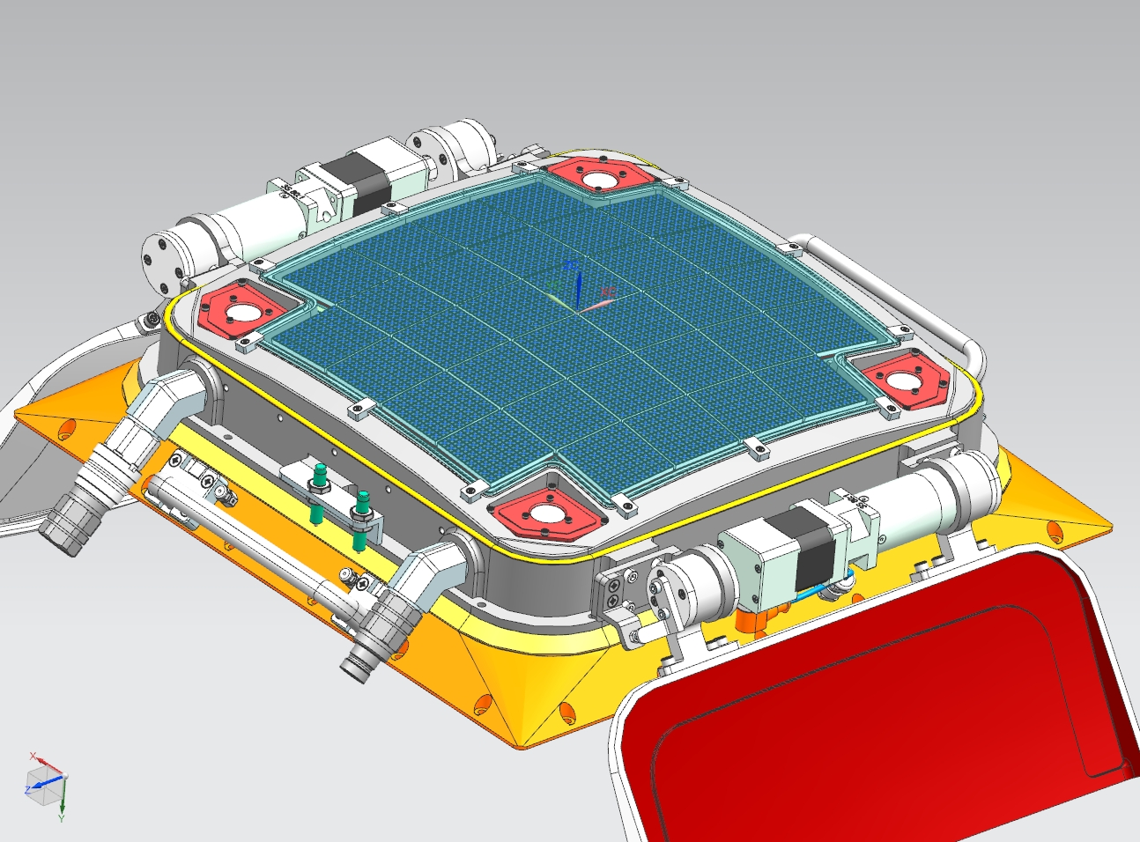
 | 39 | 10.88 | 49.29 | -1.58
+Y
 | 40 | 4.48 | 49.29 | -1.41
 | 41 | 49.29 | 17.31 | -1.76
6
8
 | 42 | 42.90 | 4.51 | -1.25
3
5
+X
 | 43 | 49.30 | 4.51 | -1.42
2
7
 | 44 | 42.89 | 23.70 | -1.76
1
4
 | 45 | 36.50 | 10.91 | -1.25
 | 46 | 42.90 | 10.91 | -1.42
 | 47 | 49.30 | 10.91 | -1.59
 | 48 | 42.88 | 30.10 | -1.93
 | 49 | 49.29 | 23.70 | -1.93
 | 50 | 36.49 | 30.10 | -1.76
 | 51 | 36.50 | 17.31 | -1.42
 | 52 | 42.89 | 17.31 | -1.59
 | 53 | 49.28 | 30.10 | -2.10
 | 54 | 36.49 | 23.70 | -1.59
 | 55 | 36.50 | 4.51 | -1.08
 | 56 | 49.28 | 36.50 | -2.27
 | 57 | 36.48 | 42.90 | -2.10
 | 58 | 42.88 | 42.90 | -2.27
 | 59 | 49.27 | 42.90 | -2.44
 | 60 | 36.47 | 49.29 | -2.27
 | 61 | 36.48 | 36.50 | -1.93
 | 62 | 42.87 | 49.29 | -2.44
 | 63 | 49.27 | 49.29 | -2.61
 | 64 | 42.88 | 36.50 | -2.10
TILE2 | 1 | 23.67 | 57.39 | -2.36
 | 2 | 30.05 | 63.77 | -3.05
 | 3 | 23.65 | 63.77 | -2.87
 | 4 | 10.87 | 57.39 | -2.02
 | 5 | 4.47 | 57.39 | -1.85
 | 6 | 30.06 | 57.39 | -2.53
 | 7 | 4.46 | 63.77 | -2.36
 | 8 | 17.25 | 63.77 | -2.70
 | 9 | 17.27 | 57.39 | -2.19
 | 10 | 10.86 | 63.77 | -2.53
 | 11 | 17.24 | 70.15 | -3.21
 | 12 | 4.42 | 82.91 | -3.89
 | 13 | 10.84 | 70.15 | -3.04
 | 14 | 17.20 | 89.29 | -4.74
 | 15 | 23.60 | 89.29 | -4.91
 | 16 | 17.23 | 76.53 | -3.72
 | 17 | 23.62 | 76.53 | -3.89
 | 18 | 4.43 | 76.53 | -3.38
 | 19 | 17.21 | 82.91 | -4.23
 | 20 | 10.80 | 89.29 | -4.57
 | 21 | 30.04 | 70.15 | -3.56
 | 22 | 30.02 | 76.53 | -4.07
 | 23 | 23.61 | 82.91 | -4.40
 | 24 | 29.99 | 89.29 | -5.09
 | 25 | 4.40 | 89.29 | -4.40
 | 26 | 23.64 | 70.15 | -3.38
 | 27 | 30.01 | 82.91 | -4.58
 | 28 | 4.45 | 70.15 | -2.87
 | 29 | 10.82 | 82.91 | -4.06
 | 30 | 10.83 | 76.53 | -3.55
 | 31 | 23.57 | 102.05 | -5.93
 | 32 | 17.19 | 95.67 | -5.25
 | 33 | 23.58 | 95.67 | -5.42
 | 34 | 17.17 | 102.05 | -5.76
 | 35 | 29.98 | 95.67 | -5.60
 | 36 | 4.39 | 95.67 | -4.91
 | 37 | 29.97 | 102.05 | -6.11
 | 38 | 10.77 | 102.05 | -5.59
 | 39 | 4.38 | 102.05 | -5.42
 | 40 | 10.79 | 95.67 | -5.08
 | 41 | 49.26 | 57.39 | -3.05
 | 42 | 36.45 | 63.77 | -3.22
 | 43 | 49.24 | 63.77 | -3.56
 | 44 | 36.46 | 57.39 | -2.71
 | 45 | 42.86 | 57.39 | -2.88
 | 46 | 42.84 | 63.77 | -3.39
 | 47 | 49.19 | 89.29 | -5.60
 | 48 | 42.82 | 76.53 | -4.41
 | 49 | 42.78 | 95.67 | -5.94
 | 50 | 49.17 | 95.67 | -6.11
 | 51 | 42.79 | 89.29 | -5.43
 | 52 | 36.38 | 95.67 | -5.77
 | 53 | 49.23 | 70.15 | -4.07
 | 54 | 49.22 | 76.53 | -4.58
 | 55 | 49.20 | 82.91 | -5.09
 | 56 | 36.41 | 82.91 | -4.75
 | 57 | 36.39 | 89.29 | -5.26
 | 58 | 42.83 | 70.15 | -3.90
 | 59 | 36.42 | 76.53 | -4.24
 | 60 | 42.80 | 82.91 | -4.92
 | 61 | 36.43 | 70.15 | -3.73
 | 62 | 36.36 | 102.05 | -6.28
 | 63 | 49.16 | 102.05 | -6.62
 | 64 | 42.76 | 102.05 | -6.45
TILE3 | 1 | 17.12 | 116.76 | -7.50
 | 2 | 29.94 | 110.41 | -7.00
 | 3 | 23.50 | 123.10 | -8.53
 | 4 | 10.75 | 110.41 | -6.48
 | 5 | 4.33 | 116.76 | -7.16
 | 6 | 17.10 | 123.10 | -8.35
 | 7 | 4.31 | 123.10 | -8.01
 | 8 | 10.73 | 116.76 | -7.33
 | 9 | 23.52 | 116.76 | -7.68
 | 10 | 4.35 | 110.41 | -6.31
 | 11 | 23.55 | 110.41 | -6.83
 | 12 | 29.90 | 123.10 | -8.70
 | 13 | 17.15 | 110.41 | -6.66
 | 14 | 10.70 | 123.10 | -8.18
 | 15 | 29.92 | 116.76 | -7.85
 | 16 | 10.59 | 154.82 | -12.43
 | 17 | 16.99 | 154.82 | -12.60
 | 18 | 29.81 | 148.47 | -12.09
 | 19 | 17.03 | 142.13 | -10.90
 | 20 | 29.87 | 129.44 | -9.55
 | 21 | 4.26 | 135.79 | -9.71
 | 22 | 29.83 | 142.13 | -11.24
 | 23 | 4.24 | 142.13 | -10.56
 | 24 | 23.48 | 129.44 | -9.37
 | 25 | 10.64 | 142.13 | -10.73
 | 26 | 10.66 | 135.79 | -9.88
 | 27 | 29.85 | 135.79 | -10.40
 | 28 | 10.68 | 129.44 | -9.03
 | 29 | 4.19 | 154.82 | -12.25
 | 30 | 4.22 | 148.47 | -11.40
 | 31 | 4.28 | 129.44 | -8.86
 | 32 | 23.41 | 148.47 | -11.92
 | 33 | 17.06 | 135.79 | -10.05
 | 34 | 23.43 | 142.13 | -11.07
 | 35 | 29.78 | 154.82 | -12.94
 | 36 | 17.08 | 129.44 | -9.20
 | 37 | 17.01 | 148.47 | -11.75
 | 38 | 10.61 | 148.47 | -11.58
 | 39 | 23.45 | 135.79 | -10.22
 | 40 | 23.39 | 154.82 | -12.77
 | 41 | 49.11 | 116.76 | -8.37
 | 42 | 42.74 | 110.41 | -7.34
 | 43 | 42.69 | 123.10 | -9.04
 | 44 | 42.67 | 129.44 | -9.89
 | 45 | 36.30 | 123.10 | -8.87
 | 46 | 36.27 | 129.44 | -9.72
 | 47 | 36.32 | 116.76 | -8.02
 | 48 | 36.34 | 110.41 | -7.17
 | 49 | 42.72 | 116.76 | -8.19
 | 50 | 49.09 | 123.10 | -9.21
 | 51 | 49.14 | 110.41 | -7.52
 | 52 | 49.07 | 129.44 | -10.06
 | 53 | 42.62 | 142.13 | -11.59
 | 54 | 36.23 | 142.13 | -11.42
 | 55 | 42.60 | 148.47 | -12.44
 | 56 | 36.20 | 148.47 | -12.27
 | 57 | 49.04 | 135.79 | -10.91
 | 58 | 36.25 | 135.79 | -10.57
 | 59 | 36.18 | 154.82 | -13.11
 | 60 | 49.02 | 142.13 | -11.76
 | 61 | 42.65 | 135.79 | -10.74
 | 62 | 49.00 | 148.47 | -12.61
 | 63 | 42.58 | 154.82 | -13.29
 | 64 | 48.98 | 154.82 | -13.46
TILE4 | 1 | 58.32 | 4.21 | -1.90
 | 2 | 58.29 | 17.01 | -2.24
 | 3 | 58.28 | 23.40 | -2.41
 | 4 | 58.27 | 29.80 | -2.58
 | 5 | 58.31 | 10.61 | -2.07
 | 6 | 58.25 | 36.20 | -2.75
 | 7 | 58.22 | 48.99 | -3.09
 | 8 | 58.24 | 42.60 | -2.92
 | 9 | 77.43 | 17.01 | -3.79
 | 10 | 71.07 | 10.61 | -3.10
 | 11 | 71.02 | 29.80 | -3.61
 | 12 | 77.46 | 4.21 | -3.45
 | 13 | 77.44 | 10.61 | -3.62
 | 14 | 71.04 | 23.40 | -3.44
 | 15 | 71.08 | 4.21 | -2.93
 | 16 | 71.05 | 17.01 | -3.27
 | 17 | 77.42 | 23.40 | -3.96
 | 18 | 64.66 | 23.40 | -2.92
 | 19 | 64.70 | 4.21 | -2.42
 | 20 | 64.67 | 17.01 | -2.75
 | 21 | 77.40 | 29.80 | -4.13
 | 22 | 64.69 | 10.61 | -2.58
 | 23 | 64.64 | 29.80 | -3.09
 | 24 | 71.00 | 42.60 | -3.95
 | 25 | 70.98 | 48.99 | -4.12
 | 26 | 71.01 | 36.20 | -3.78
 | 27 | 77.38 | 42.60 | -4.47
 | 28 | 77.36 | 48.99 | -4.64
 | 29 | 64.62 | 42.60 | -3.43
 | 30 | 64.60 | 48.99 | -3.60
 | 31 | 77.39 | 36.20 | -4.30
 | 32 | 64.63 | 36.20 | -3.26
 | 33 | 102.93 | 23.40 | -6.02
 | 34 | 83.82 | 10.61 | -4.13
 | 35 | 96.55 | 23.40 | -5.51
 | 36 | 83.80 | 23.40 | -4.47
 | 37 | 96.54 | 29.80 | -5.68
 | 38 | 83.81 | 17.01 | -4.30
 | 39 | 102.95 | 17.01 | -5.85
 | 40 | 90.22 | 4.21 | -4.48
 | 41 | 102.97 | 4.21 | -5.51
 | 42 | 90.18 | 23.40 | -4.99
 | 43 | 102.96 | 10.61 | -5.68
 | 44 | 96.60 | 4.21 | -5.00
 | 45 | 96.57 | 17.01 | -5.34
 | 46 | 83.84 | 4.21 | -3.96
 | 47 | 90.20 | 10.61 | -4.65
 | 48 | 96.58 | 10.61 | -5.17
 | 49 | 102.92 | 29.80 | -6.19
 | 50 | 90.16 | 29.80 | -5.16
 | 51 | 90.19 | 17.01 | -4.82
 | 52 | 83.78 | 29.80 | -4.64
 | 53 | 96.50 | 48.99 | -6.19
 | 54 | 102.91 | 36.20 | -6.36
 | 55 | 83.77 | 36.20 | -4.81
 | 56 | 102.89 | 42.60 | -6.53
 | 57 | 102.88 | 48.99 | -6.70
 | 58 | 83.75 | 42.60 | -4.98
 | 59 | 96.53 | 36.20 | -5.85
 | 60 | 90.12 | 48.99 | -5.67
 | 61 | 83.74 | 48.99 | -5.15
 | 62 | 96.51 | 42.60 | -6.02
 | 63 | 90.13 | 42.60 | -5.50
 | 64 | 90.15 | 36.20 | -5.33
TILE5 | 1 | 58.19 | 57.39 | -3.53
 | 2 | 58.15 | 63.77 | -4.04
 | 3 | 77.33 | 57.39 | -5.08
 | 4 | 77.28 | 63.77 | -5.59
 | 5 | 70.95 | 57.39 | -4.57
 | 6 | 64.57 | 57.39 | -4.05
 | 7 | 70.91 | 63.77 | -5.07
 | 8 | 64.53 | 63.77 | -4.56
 | 9 | 57.94 | 95.67 | -6.59
 | 10 | 58.11 | 70.15 | -4.55
 | 11 | 57.98 | 89.29 | -6.08
 | 12 | 58.02 | 82.91 | -5.57
 | 13 | 58.06 | 76.53 | -5.06
 | 14 | 57.90 | 102.05 | -7.09
 | 15 | 70.86 | 70.15 | -5.58
 | 16 | 77.24 | 70.15 | -6.10
 | 17 | 70.74 | 89.29 | -7.11
 | 18 | 64.32 | 95.67 | -7.10
 | 19 | 70.82 | 76.53 | -6.09
 | 20 | 64.40 | 82.91 | -6.08
 | 21 | 64.49 | 70.15 | -5.07
 | 22 | 70.78 | 82.91 | -6.60
 | 23 | 77.16 | 82.91 | -7.12
 | 24 | 77.12 | 89.29 | -7.63
 | 25 | 64.36 | 89.29 | -6.59
 | 26 | 77.08 | 95.67 | -8.14
 | 27 | 70.70 | 95.67 | -7.62
 | 28 | 64.44 | 76.53 | -5.58
 | 29 | 77.20 | 76.53 | -6.61
 | 30 | 77.04 | 102.05 | -8.64
 | 31 | 70.66 | 102.05 | -8.13
 | 32 | 64.28 | 102.05 | -7.61
 | 33 | 90.08 | 57.39 | -6.11
 | 34 | 96.46 | 57.39 | -6.63
 | 35 | 90.04 | 63.77 | -6.62
 | 36 | 83.66 | 63.77 | -6.11
 | 37 | 102.80 | 63.77 | -7.66
 | 38 | 83.70 | 57.39 | -5.60
 | 39 | 102.84 | 57.39 | -7.15
 | 40 | 96.42 | 63.77 | -7.14
 | 41 | 83.46 | 95.67 | -8.65
 | 42 | 102.60 | 95.67 | -10.20
 | 43 | 96.38 | 70.15 | -7.65
 | 44 | 90.00 | 70.15 | -7.13
 | 45 | 83.58 | 76.53 | -7.12
 | 46 | 89.84 | 95.67 | -9.17
 | 47 | 96.30 | 82.91 | -8.67
 | 48 | 83.54 | 82.91 | -7.63
 | 49 | 96.26 | 89.29 | -9.18
 | 50 | 102.68 | 82.91 | -9.18
 | 51 | 102.72 | 76.53 | -8.67
 | 52 | 89.92 | 82.91 | -8.15
 | 53 | 96.22 | 95.67 | -9.68
 | 54 | 102.76 | 70.15 | -8.17
 | 55 | 89.88 | 89.29 | -8.66
 | 56 | 102.64 | 89.29 | -9.69
 | 57 | 83.62 | 70.15 | -6.62
 | 58 | 96.34 | 76.53 | -8.16
 | 59 | 83.50 | 89.29 | -8.14
 | 60 | 89.96 | 76.53 | -7.64
 | 61 | 96.17 | 102.05 | -10.19
 | 62 | 83.42 | 102.05 | -9.16
 | 63 | 102.55 | 102.05 | -10.71
 | 64 | 89.80 | 102.05 | -9.68
TILE6 | 1 | 57.76 | 116.76 | -8.83
 | 2 | 57.83 | 110.41 | -7.99
 | 3 | 57.69 | 123.10 | -9.68
 | 4 | 57.62 | 129.44 | -10.52
 | 5 | 70.59 | 110.41 | -9.02
 | 6 | 64.14 | 116.76 | -9.35
 | 7 | 64.07 | 123.10 | -10.19
 | 8 | 76.90 | 116.76 | -10.38
 | 9 | 76.83 | 123.10 | -11.23
 | 10 | 76.76 | 129.44 | -12.07
 | 11 | 70.38 | 129.44 | -11.56
 | 12 | 64.00 | 129.44 | -11.04
 | 13 | 76.97 | 110.41 | -9.53
 | 14 | 70.45 | 123.10 | -10.71
 | 15 | 70.52 | 116.76 | -9.86
 | 16 | 64.21 | 110.41 | -8.50
 | 17 | 83.21 | 123.10 | -11.74
 | 18 | 102.34 | 123.10 | -13.29
 | 19 | 95.97 | 123.10 | -12.78
 | 20 | 96.10 | 110.41 | -11.08
 | 21 | 89.52 | 129.44 | -13.11
 | 22 | 95.90 | 129.44 | -13.62
 | 23 | 89.59 | 123.10 | -12.26
 | 24 | 83.14 | 129.44 | -12.59
 | 25 | 102.41 | 116.76 | -12.45
 | 26 | 89.66 | 116.76 | -11.41
 | 27 | 102.48 | 110.41 | -11.60
 | 28 | 83.34 | 110.41 | -10.05
 | 29 | 102.28 | 129.44 | -14.14
 | 30 | 89.72 | 110.41 | -10.57
 | 31 | 96.03 | 116.76 | -11.93
 | 32 | 83.28 | 116.76 | -10.90
 | 33 | 70.18 | 148.47 | -14.10
 | 34 | 63.80 | 148.47 | -13.58
 | 35 | 76.55 | 148.47 | -14.61
 | 36 | 76.49 | 154.82 | -15.46
 | 37 | 76.69 | 135.79 | -12.92
 | 38 | 63.93 | 135.79 | -11.89
 | 39 | 70.11 | 154.82 | -14.94
 | 40 | 70.31 | 135.79 | -12.40
 | 41 | 63.86 | 142.13 | -12.73
 | 42 | 70.24 | 142.13 | -13.25
 | 43 | 57.49 | 142.13 | -12.22
 | 44 | 57.35 | 154.82 | -13.91
 | 45 | 76.62 | 142.13 | -13.77
 | 46 | 57.42 | 148.47 | -13.06
 | 47 | 63.73 | 154.82 | -14.43
 | 48 | 57.55 | 135.79 | -11.37
 | 49 | 102.14 | 142.13 | -15.83
 | 50 | 102.07 | 148.47 | -16.68
 | 51 | 102.00 | 154.82 | -17.53
 | 52 | 89.31 | 148.47 | -15.65
 | 53 | 95.83 | 135.79 | -14.47
 | 54 | 89.38 | 142.13 | -14.80
 | 55 | 95.76 | 142.13 | -15.32
 | 56 | 83.00 | 142.13 | -14.28
 | 57 | 95.69 | 148.47 | -16.16
 | 58 | 82.93 | 148.47 | -15.13
 | 59 | 89.24 | 154.82 | -16.49
 | 60 | 89.45 | 135.79 | -13.95
 | 61 | 83.07 | 135.79 | -13.44
 | 62 | 102.21 | 135.79 | -14.99
 | 63 | 95.62 | 154.82 | -17.01
 | 64 | 82.87 | 154.82 | -15.98
TILE7 | 1 | 124.62 | 10.61 | -8.37
 | 2 | 118.30 | 4.21 | -7.34
 | 3 | 111.93 | 10.61 | -6.65
 | 4 | 111.86 | 29.80 | -7.16
 | 5 | 124.59 | 17.01 | -8.54
 | 6 | 111.91 | 17.01 | -6.82
 | 7 | 118.21 | 29.80 | -8.02
 | 8 | 118.27 | 10.61 | -7.51
 | 9 | 111.96 | 4.21 | -6.48
 | 10 | 118.23 | 23.40 | -7.85
 | 11 | 111.89 | 23.40 | -6.99
 | 12 | 124.55 | 29.80 | -8.88
 | 13 | 124.64 | 4.21 | -8.20
 | 14 | 124.57 | 23.40 | -8.71
 | 15 | 118.25 | 17.01 | -7.68
 | 16 | 118.14 | 48.99 | -8.52
 | 17 | 124.48 | 48.99 | -9.38
 | 18 | 124.53 | 36.20 | -9.05
 | 19 | 111.84 | 36.20 | -7.33
 | 20 | 118.18 | 36.20 | -8.19
 | 21 | 111.80 | 48.99 | -7.67
 | 22 | 111.82 | 42.60 | -7.50
 | 23 | 124.50 | 42.60 | -9.21
 | 24 | 118.16 | 42.60 | -8.36
 | 25 | 130.89 | 29.80 | -9.74
 | 26 | 137.32 | 4.21 | -9.92
 | 27 | 130.94 | 17.01 | -9.40
 | 28 | 137.26 | 23.40 | -10.43
 | 29 | 143.62 | 17.01 | -11.12
 | 30 | 143.60 | 23.40 | -11.28
 | 31 | 143.64 | 10.61 | -10.95
 | 32 | 130.91 | 23.40 | -9.57
 | 33 | 143.67 | 4.21 | -10.78
 | 34 | 143.57 | 29.80 | -11.45
 | 35 | 130.96 | 10.61 | -9.23
 | 36 | 137.23 | 29.80 | -10.59
 | 37 | 130.98 | 4.21 | -9.06
 | 38 | 137.28 | 17.01 | -10.26
 | 39 | 137.30 | 10.61 | -10.09
 | 40 | 130.82 | 48.99 | -10.24
 | 41 | 137.19 | 42.60 | -10.93
 | 42 | 137.21 | 36.20 | -10.76
 | 43 | 143.55 | 36.20 | -11.62
 | 44 | 143.53 | 42.60 | -11.79
 | 45 | 143.51 | 48.99 | -11.96
 | 46 | 130.84 | 42.60 | -10.07
 | 47 | 130.87 | 36.20 | -9.90
 | 48 | 137.16 | 48.99 | -11.10
 | 49 | 156.28 | 23.40 | -13.00
 | 50 | 156.33 | 10.61 | -12.67
 | 51 | 150.01 | 4.21 | -11.64
 | 52 | 149.96 | 17.01 | -11.97
 | 53 | 149.94 | 23.40 | -12.14
 | 54 | 156.26 | 29.80 | -13.17
 | 55 | 149.99 | 10.61 | -11.81
 | 56 | 156.30 | 17.01 | -12.83
 | 57 | 156.35 | 4.21 | -12.50
 | 58 | 149.92 | 29.80 | -12.31
 | 59 | 156.21 | 42.60 | -13.51
 | 60 | 149.85 | 48.99 | -12.82
 | 61 | 156.19 | 48.99 | -13.68
 | 62 | 149.89 | 36.20 | -12.48
 | 63 | 149.87 | 42.60 | -12.65
 | 64 | 156.24 | 36.20 | -13.34
TILE8 | 1 | 124.35 | 63.77 | -10.33
 | 2 | 118.08 | 57.39 | -8.97
 | 3 | 111.67 | 63.77 | -8.61
 | 4 | 118.01 | 63.77 | -9.47
 | 5 | 111.74 | 57.39 | -8.11
 | 6 | 124.42 | 57.39 | -9.83
 | 7 | 117.67 | 95.67 | -12.00
 | 8 | 124.08 | 89.29 | -12.36
 | 9 | 111.46 | 82.91 | -10.13
 | 10 | 111.39 | 89.29 | -10.64
 | 11 | 124.28 | 70.15 | -10.84
 | 12 | 111.60 | 70.15 | -9.12
 | 13 | 117.74 | 89.29 | -11.50
 | 14 | 117.80 | 82.91 | -10.99
 | 15 | 117.87 | 76.53 | -10.49
 | 16 | 111.32 | 95.67 | -11.14
 | 17 | 111.53 | 76.53 | -9.63
 | 18 | 124.15 | 82.91 | -11.85
 | 19 | 124.21 | 76.53 | -11.34
 | 20 | 124.01 | 95.67 | -12.86
 | 21 | 117.94 | 70.15 | -9.98
 | 22 | 117.60 | 102.05 | -12.51
 | 23 | 123.94 | 102.05 | -13.37
 | 24 | 111.26 | 102.05 | -11.65
 | 25 | 137.10 | 57.39 | -11.54
 | 26 | 143.45 | 57.39 | -12.40
 | 27 | 130.76 | 57.39 | -10.69
 | 28 | 156.13 | 57.39 | -14.12
 | 29 | 149.79 | 57.39 | -13.26
 | 30 | 149.51 | 82.91 | -15.29
 | 31 | 137.04 | 63.77 | -12.05
 | 32 | 155.72 | 95.67 | -17.16
 | 33 | 149.31 | 102.05 | -16.80
 | 34 | 155.65 | 102.05 | -17.66
 | 35 | 155.92 | 76.53 | -15.64
 | 36 | 130.49 | 82.91 | -12.71
 | 37 | 130.28 | 102.05 | -14.23
 | 38 | 156.06 | 63.77 | -14.63
 | 39 | 136.69 | 95.67 | -14.58
 | 40 | 130.62 | 70.15 | -11.70
 | 41 | 149.65 | 70.15 | -14.27
 | 42 | 136.90 | 76.53 | -13.06
 | 43 | 149.58 | 76.53 | -14.78
 | 44 | 136.76 | 89.29 | -14.07
 | 45 | 149.45 | 89.29 | -15.79
 | 46 | 143.31 | 70.15 | -13.42
 | 47 | 143.24 | 76.53 | -13.92
 | 48 | 143.10 | 89.29 | -14.93
 | 49 | 143.38 | 63.77 | -12.91
 | 50 | 130.56 | 76.53 | -12.20
 | 51 | 149.38 | 95.67 | -16.30
 | 52 | 143.04 | 95.67 | -15.44
 | 53 | 155.86 | 82.91 | -16.14
 | 54 | 143.17 | 82.91 | -14.43
 | 55 | 130.69 | 63.77 | -11.19
 | 56 | 136.83 | 82.91 | -13.57
 | 57 | 142.97 | 102.05 | -15.94
 | 58 | 136.97 | 70.15 | -12.56
 | 59 | 130.35 | 95.67 | -13.72
 | 60 | 130.42 | 89.29 | -13.21
 | 61 | 149.72 | 63.77 | -13.77
 | 62 | 136.62 | 102.05 | -15.09
 | 63 | 155.99 | 70.15 | -15.13
 | 64 | 155.79 | 89.29 | -16.65

6mm superpixel centres
SiPM Tile 6mm Pixel Superpixel (2x2 6mm) centres for one quadrant of the CHEC-S Camera
With Hamamatsu S12642-1616PA-50 Detectors
X,Y,Z measured relative to focal plane boresight apex at X=0,Y=0,Z=0
Z axis = camera boresight axis and negative numbers are further from Mirror M2
"+X is positive elevation from parked telescope position. Y is Azimuth"
Data order per tile 1-49 as per tile diagram. Tile order as per tile array diagram
+X
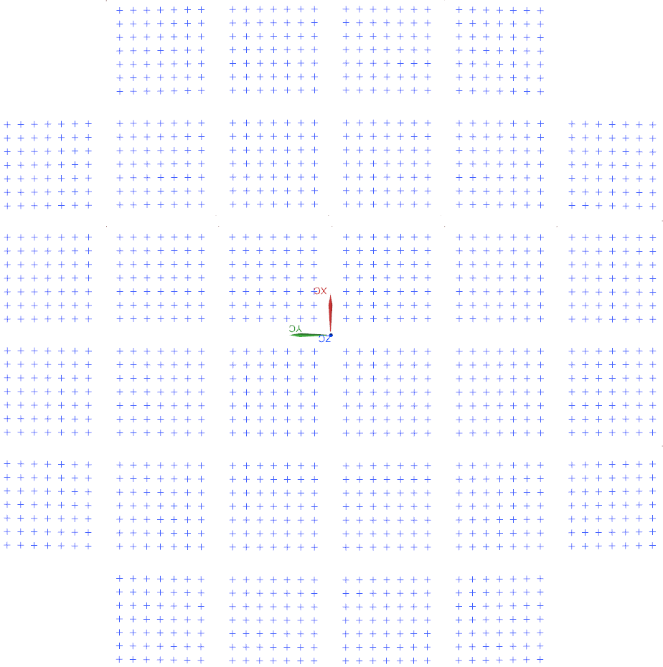
8
7
Tile1 | ID | X | Y | Z
 | 1 | 7.713 | 7.7091 | -0.3859
 | 2 | 7.7084 | 14.1069 | -0.5561
 | 3 | 7.7038 | 20.5046 | -0.7264
 | 4 | 7.6992 | 26.9023 | -0.8966
49
 | 5 | 7.6947 | 33.3001 | -1.0669
6
5
4
 | 6 | 7.6901 | 39.6978 | -1.2372
 | 7 | 7.6855 | 46.0955 | -1.4074
 | 8 | 14.1107 | 7.7091 | -0.5581
1
 | 9 | 14.1061 | 14.1069 | -0.7284
 | 10 | 14.1015 | 20.5046 | -0.8987
 | 11 | 14.0969 | 26.9023 | -1.0689
3
2
1
 | 12 | 14.0923 | 33.3001 | -1.2392
 | 13 | 14.0878 | 39.6978 | -1.4094
+Y
 | 14 | 14.0832 | 46.0955 | -1.5797
 | 15 | 20.5084 | 7.7091 | -0.7304
 | 16 | 20.5038 | 14.1069 | -0.9007
 | 17 | 20.4992 | 20.5046 | -1.0709
 | 18 | 20.4946 | 26.9023 | -1.2412
 | 19 | 20.49 | 33.3001 | -1.4115
 | 20 | 20.4854 | 39.6978 | -1.5817
 | 21 | 20.4809 | 46.0955 | -1.752
 | 22 | 26.906 | 7.7091 | -0.9027
 | 23 | 26.9015 | 14.1069 | -1.0729
 | 24 | 26.8969 | 20.5046 | -1.2432
 | 25 | 26.8923 | 26.9023 | -1.4135
 | 26 | 26.8877 | 33.3001 | -1.5837
 | 27 | 26.8831 | 39.6978 | -1.754
 | 28 | 26.8785 | 46.0955 | -1.9243
 | 29 | 33.3037 | 7.7091 | -1.075
+X
 | 30 | 33.2991 | 14.1069 | -1.2452
 | 31 | 33.2946 | 20.5046 | -1.4155
 | 32 | 33.29 | 26.9023 | -1.5858
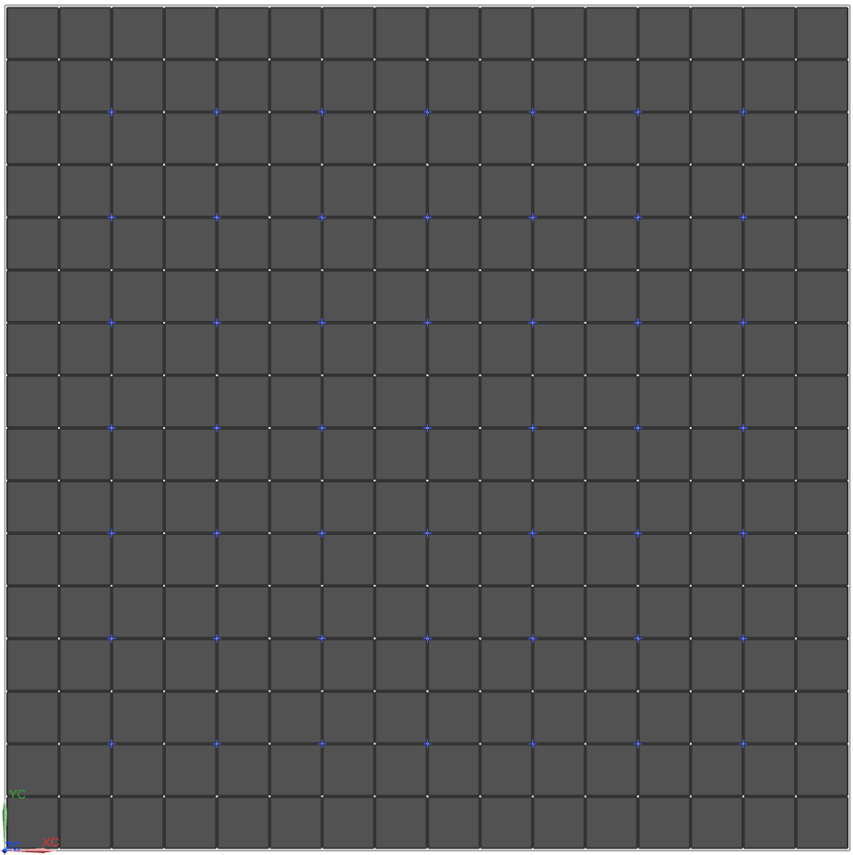
 | 33 | 33.2854 | 33.3001 | -1.756
 | 34 | 33.2808 | 39.6978 | -1.9263
 | 35 | 33.2762 | 46.0955 | -2.0965
49
 | 36 | 39.7014 | 7.7091 | -1.2472
 | 37 | 39.6968 | 14.1069 | -1.4175
 | 38 | 39.6922 | 20.5046 | -1.5878
 | 39 | 39.6876 | 26.9023 | -1.758
 | 40 | 39.6831 | 33.3001 | -1.9283
 | 41 | 39.6785 | 39.6978 | -2.0986
 | 42 | 39.6739 | 46.0955 | -2.2688
 | 43 | 46.0991 | 7.7091 | -1.4195
 | 44 | 46.0945 | 14.1069 | -1.5898
 | 45 | 46.0899 | 20.5046 | -1.76
 | 46 | 46.0853 | 26.9023 | -1.9303
 | 47 | 46.0807 | 33.3001 | -2.1006
 | 48 | 46.0762 | 39.6978 | -2.2708
 | 49 | 46.0716 | 46.0955 | -2.4411
Tile2 | 1 | 7.6645 | 60.5821 | -2.187
 | 2 | 7.6508 | 66.9617 | -2.6973
 | 3 | 7.637 | 73.3413 | -3.2076
 | 4 | 7.6233 | 79.7209 | -3.7179
 | 5 | 7.6095 | 86.1005 | -4.2282
 | 6 | 7.5958 | 92.4801 | -4.7385
8
 | 7 | 7.582 | 98.8597 | -5.2488
 | 8 | 14.0622 | 60.5821 | -2.3593
 | 9 | 14.0484 | 66.9617 | -2.8696
 | 10 | 14.0347 | 73.3413 | -3.3799
7
6
5
4
3
2
1
 | 11 | 14.021 | 79.7209 | -3.8902
 | 12 | 14.0072 | 86.1005 | -4.4005
 | 13 | 13.9935 | 92.4801 | -4.9108
 | 14 | 13.9797 | 98.8597 | -5.4211
+Y
 | 15 | 20.4599 | 60.5821 | -2.5316
 | 16 | 20.4461 | 66.9617 | -3.0419
 | 17 | 20.4324 | 73.3413 | -3.5522
 | 18 | 20.4186 | 79.7209 | -4.0625
 | 19 | 20.4049 | 86.1005 | -4.5728
 | 20 | 20.3912 | 92.4801 | -5.0831
 | 21 | 20.3774 | 98.8597 | -5.5934
 | 22 | 26.8575 | 60.5821 | -2.7039
 | 23 | 26.8438 | 66.9617 | -3.2142
 | 24 | 26.8301 | 73.3413 | -3.7245
 | 25 | 26.8163 | 79.7209 | -4.2348
 | 26 | 26.8026 | 86.1005 | -4.7451
 | 27 | 26.7888 | 92.4801 | -5.2554
 | 28 | 26.7751 | 98.8597 | -5.7657
 | 29 | 33.2552 | 60.5821 | -2.8761
 | 30 | 33.2415 | 66.9617 | -3.3864
 | 31 | 33.2277 | 73.3413 | -3.8967
 | 32 | 33.214 | 79.7209 | -4.407
 | 33 | 33.2003 | 86.1005 | -4.9174
 | 34 | 33.1865 | 92.4801 | -5.4277
 | 35 | 33.1728 | 98.8597 | -5.938
 | 36 | 39.6529 | 60.5821 | -3.0484
 | 37 | 39.6392 | 66.9617 | -3.5587
 | 38 | 39.6254 | 73.3413 | -4.069
 | 39 | 39.6117 | 79.7209 | -4.5793
 | 40 | 39.5979 | 86.1005 | -5.0896
 | 41 | 39.5842 | 92.4801 | -5.5999
 | 42 | 39.5705 | 98.8597 | -6.1102
 | 43 | 46.0506 | 60.5821 | -3.2207
 | 44 | 46.0368 | 66.9617 | -3.731
 | 45 | 46.0231 | 73.3413 | -4.2413
 | 46 | 46.0094 | 79.7209 | -4.7516
 | 47 | 45.9956 | 86.1005 | -5.2619
 | 48 | 45.9819 | 92.4801 | -5.7722
 | 49 | 45.9681 | 98.8597 | -6.2825
Tile3 | 1 | 7.5397 | 113.5833 | -6.8218
 | 2 | 7.5168 | 119.9267 | -7.6707
 | 3 | 7.494 | 126.2701 | -8.5196
 | 4 | 7.4711 | 132.6135 | -9.3685
 | 5 | 7.4483 | 138.9569 | -10.2174
 | 6 | 7.4254 | 145.3003 | -11.0663
 | 7 | 7.4025 | 151.6437 | -11.9152
 | 8 | 13.9374 | 113.5833 | -6.9941
 | 9 | 13.9145 | 119.9267 | -7.843
 | 10 | 13.8917 | 126.2701 | -8.6919
 | 11 | 13.8688 | 132.6135 | -9.5408
 | 12 | 13.8459 | 138.9569 | -10.3897
 | 13 | 13.8231 | 145.3003 | -11.2386
 | 14 | 13.8002 | 151.6437 | -12.0875
 | 15 | 20.3351 | 113.5833 | -7.1663
 | 16 | 20.3122 | 119.9267 | -8.0152
 | 17 | 20.2893 | 126.2701 | -8.8641
 | 18 | 20.2665 | 132.6135 | -9.713
 | 19 | 20.2436 | 138.9569 | -10.5619
 | 20 | 20.2208 | 145.3003 | -11.4108
 | 21 | 20.1979 | 151.6437 | -12.2597
 | 22 | 26.7327 | 113.5833 | -7.3386
 | 23 | 26.7099 | 119.9267 | -8.1875
 | 24 | 26.687 | 126.2701 | -9.0364
 | 25 | 26.6642 | 132.6135 | -9.8853
 | 26 | 26.6413 | 138.9569 | -10.7342
 | 27 | 26.6184 | 145.3003 | -11.5831
 | 28 | 26.5956 | 151.6437 | -12.432
 | 29 | 33.1304 | 113.5833 | -7.5109
 | 30 | 33.1076 | 119.9267 | -8.3598
 | 31 | 33.0847 | 126.2701 | -9.2087
 | 32 | 33.0618 | 132.6135 | -10.0576
 | 33 | 33.039 | 138.9569 | -10.9065
 | 34 | 33.0161 | 145.3003 | -11.7554
 | 35 | 32.9933 | 151.6437 | -12.6043
 | 36 | 39.5281 | 113.5833 | -7.6832
 | 37 | 39.5052 | 119.9267 | -8.5321
 | 38 | 39.4824 | 126.2701 | -9.381
 | 39 | 39.4595 | 132.6135 | -10.2299
 | 40 | 39.4367 | 138.9569 | -11.0788
 | 41 | 39.4138 | 145.3003 | -11.9277
 | 42 | 39.3909 | 151.6437 | -12.7766
 | 43 | 45.9258 | 113.5833 | -7.8554
 | 44 | 45.9029 | 119.9267 | -8.7043
 | 45 | 45.8801 | 126.2701 | -9.5532
 | 46 | 45.8572 | 132.6135 | -10.4021
 | 47 | 45.8343 | 138.9569 | -11.251
 | 48 | 45.8115 | 145.3003 | -12.0999
 | 49 | 45.7886 | 151.6437 | -12.9488
Tile4 | 1 | 61.5034 | 7.4093 | -2.2417
 | 2 | 61.4896 | 13.807 | -2.4115
 | 3 | 61.4759 | 20.2047 | -2.5813
 | 4 | 61.4622 | 26.6025 | -2.7511
 | 5 | 61.4484 | 33.0002 | -2.9208
 | 6 | 61.4347 | 39.3979 | -3.0906
 | 7 | 61.4209 | 45.7957 | -3.2604
 | 8 | 67.8825 | 7.4093 | -2.7581
 | 9 | 67.8688 | 13.807 | -2.9279
 | 10 | 67.855 | 20.2047 | -3.0976
 | 11 | 67.8413 | 26.6025 | -3.2674
 | 12 | 67.8275 | 33.0002 | -3.4372
 | 13 | 67.8138 | 39.3979 | -3.6069
 | 14 | 67.8001 | 45.7957 | -3.7767
 | 15 | 74.2616 | 7.4093 | -3.2744
 | 16 | 74.2479 | 13.807 | -3.4442
 | 17 | 74.2342 | 20.2047 | -3.614
 | 18 | 74.2204 | 26.6025 | -3.7837
 | 19 | 74.2067 | 33.0002 | -3.9535
 | 20 | 74.1929 | 39.3979 | -4.1233
 | 21 | 74.1792 | 45.7957 | -4.293
 | 22 | 80.6408 | 7.4093 | -3.7908
 | 23 | 80.627 | 13.807 | -3.9605
 | 24 | 80.6133 | 20.2047 | -4.1303
 | 25 | 80.5996 | 26.6025 | -4.3001
 | 26 | 80.5858 | 33.0002 | -4.4698
 | 27 | 80.5721 | 39.3979 | -4.6396
 | 28 | 80.5583 | 45.7957 | -4.8094
 | 29 | 87.0199 | 7.4093 | -4.3071
 | 30 | 87.0062 | 13.807 | -4.4769
 | 31 | 86.9924 | 20.2047 | -4.6466
 | 32 | 86.9787 | 26.6025 | -4.8164
 | 33 | 86.965 | 33.0002 | -4.9862
 | 34 | 86.9512 | 39.3979 | -5.1559
 | 35 | 86.9375 | 45.7957 | -5.3257
 | 36 | 93.3991 | 7.4093 | -4.8234
 | 37 | 93.3853 | 13.807 | -4.9932
 | 38 | 93.3716 | 20.2047 | -5.163
 | 39 | 93.3578 | 26.6025 | -5.3327
 | 40 | 93.3441 | 33.0002 | -5.5025
 | 41 | 93.3304 | 39.3979 | -5.6723
 | 42 | 93.3166 | 45.7957 | -5.842
 | 43 | 99.7782 | 7.4093 | -5.3398
 | 44 | 99.7645 | 13.807 | -5.5095
 | 45 | 99.7507 | 20.2047 | -5.6793
 | 46 | 99.737 | 26.6025 | -5.8491
 | 47 | 99.7232 | 33.0002 | -6.0188
 | 48 | 99.7095 | 39.3979 | -6.1886
 | 49 | 99.6958 | 45.7957 | -6.3584
Tile5 | 1 | 61.3574 | 60.5821 | -4.0457
 | 2 | 61.3162 | 66.9617 | -4.5545
 | 3 | 61.275 | 73.3413 | -5.0633
 | 4 | 61.2338 | 79.7209 | -5.5721
 | 5 | 61.1926 | 86.1005 | -6.081
 | 6 | 61.1514 | 92.4801 | -6.5898
 | 7 | 61.1103 | 98.8597 | -7.0986
 | 8 | 67.7365 | 60.5821 | -4.562
 | 9 | 67.6953 | 66.9617 | -5.0708
 | 10 | 67.6541 | 73.3413 | -5.5796
 | 11 | 67.6129 | 79.7209 | -6.0885
 | 12 | 67.5718 | 86.1005 | -6.5973
 | 13 | 67.5306 | 92.4801 | -7.1061
 | 14 | 67.4894 | 98.8597 | -7.6149
 | 15 | 74.1156 | 60.5821 | -5.0783
 | 16 | 74.0745 | 66.9617 | -5.5872
 | 17 | 74.0333 | 73.3413 | -6.096
 | 18 | 73.9921 | 79.7209 | -6.6048
 | 19 | 73.9509 | 86.1005 | -7.1136
 | 20 | 73.9097 | 92.4801 | -7.6225
 | 21 | 73.8685 | 98.8597 | -8.1313
 | 22 | 80.4948 | 60.5821 | -5.5947
 | 23 | 80.4536 | 66.9617 | -6.1035
 | 24 | 80.4124 | 73.3413 | -6.6123
 | 25 | 80.3712 | 79.7209 | -7.1211
 | 26 | 80.33 | 86.1005 | -7.63
 | 27 | 80.2889 | 92.4801 | -8.1388
 | 28 | 80.2477 | 98.8597 | -8.6476
 | 29 | 86.8739 | 60.5821 | -6.111
 | 30 | 86.8327 | 66.9617 | -6.6198
 | 31 | 86.7915 | 73.3413 | -7.1286
 | 32 | 86.7504 | 79.7209 | -7.6375
 | 33 | 86.7092 | 86.1005 | -8.1463
 | 34 | 86.668 | 92.4801 | -8.6551
 | 35 | 86.6268 | 98.8597 | -9.164
 | 36 | 93.2531 | 60.5821 | -6.6273
 | 37 | 93.2119 | 66.9617 | -7.1362
 | 38 | 93.1707 | 73.3413 | -7.645
 | 39 | 93.1295 | 79.7209 | -8.1538
 | 40 | 93.0883 | 86.1005 | -8.6626
 | 41 | 93.0471 | 92.4801 | -9.1715
 | 42 | 93.0059 | 98.8597 | -9.6803
 | 43 | 99.6322 | 60.5821 | -7.1437
 | 44 | 99.591 | 66.9617 | -7.6525
 | 45 | 99.5498 | 73.3413 | -8.1613
 | 46 | 99.5086 | 79.7209 | -8.6701
 | 47 | 99.4675 | 86.1005 | -9.179
 | 48 | 99.4263 | 92.4801 | -9.6878
 | 49 | 99.3851 | 98.8597 | -10.1966
Tile6 | 1 | 60.9833 | 113.5833 | -8.667
 | 2 | 60.9148 | 119.9267 | -9.5134
 | 3 | 60.8463 | 126.2701 | -10.3599
 | 4 | 60.7778 | 132.6135 | -11.2063
 | 5 | 60.7093 | 138.9569 | -12.0527
 | 6 | 60.6407 | 145.3003 | -12.8992
 | 7 | 60.5722 | 151.6437 | -13.7456
 | 8 | 67.3624 | 113.5833 | -9.1833
 | 9 | 67.2939 | 119.9267 | -10.0298
 | 10 | 67.2254 | 126.2701 | -10.8762
 | 11 | 67.1569 | 132.6135 | -11.7226
 | 12 | 67.0884 | 138.9569 | -12.5691
 | 13 | 67.0199 | 145.3003 | -13.4155
 | 14 | 66.9514 | 151.6437 | -14.262
 | 15 | 73.7416 | 113.5833 | -9.6996
 | 16 | 73.6731 | 119.9267 | -10.5461
 | 17 | 73.6046 | 126.2701 | -11.3925
 | 18 | 73.536 | 132.6135 | -12.239
 | 19 | 73.4675 | 138.9569 | -13.0854
 | 20 | 73.399 | 145.3003 | -13.9318
 | 21 | 73.3305 | 151.6437 | -14.7783
 | 22 | 80.1207 | 113.5833 | -10.216
 | 23 | 80.0522 | 119.9267 | -11.0624
 | 24 | 79.9837 | 126.2701 | -11.9089
 | 25 | 79.9152 | 132.6135 | -12.7553
 | 26 | 79.8467 | 138.9569 | -13.6017
 | 27 | 79.7782 | 145.3003 | -14.4482
 | 28 | 79.7097 | 151.6437 | -15.2946
 | 29 | 86.4999 | 113.5833 | -10.7323
 | 30 | 86.4313 | 119.9267 | -11.5788
 | 31 | 86.3628 | 126.2701 | -12.4252
 | 32 | 86.2943 | 132.6135 | -13.2716
 | 33 | 86.2258 | 138.9569 | -14.1181
 | 34 | 86.1573 | 145.3003 | -14.9645
 | 35 | 86.0888 | 151.6437 | -15.811
 | 36 | 92.879 | 113.5833 | -11.2486
 | 37 | 92.8105 | 119.9267 | -12.0951
 | 38 | 92.742 | 126.2701 | -12.9415
 | 39 | 92.6735 | 132.6135 | -13.788
 | 40 | 92.605 | 138.9569 | -14.6344
 | 41 | 92.5364 | 145.3003 | -15.4809
 | 42 | 92.4679 | 151.6437 | -16.3273
 | 43 | 99.2581 | 113.5833 | -11.765
 | 44 | 99.1896 | 119.9267 | -12.6114
 | 45 | 99.1211 | 126.2701 | -13.4579
 | 46 | 99.0526 | 132.6135 | -14.3043
 | 47 | 98.9841 | 138.9569 | -15.1507
 | 48 | 98.9156 | 145.3003 | -15.9972
 | 49 | 98.8471 | 151.6437 | -16.8436
Tile7 | 1 | 115.1153 | 7.4093 | -6.9978
 | 2 | 115.0924 | 13.807 | -7.1666
 | 3 | 115.0696 | 20.2047 | -7.3353
 | 4 | 115.0467 | 26.6025 | -7.5041
 | 5 | 115.0238 | 33.0002 | -7.6729
 | 6 | 115.001 | 39.3979 | -7.8417
 | 7 | 114.9781 | 45.7957 | -8.0105
 | 8 | 121.4574 | 7.4093 | -7.8567
 | 9 | 121.4345 | 13.807 | -8.0255
 | 10 | 121.4117 | 20.2047 | -8.1942
 | 11 | 121.3888 | 26.6025 | -8.363
 | 12 | 121.3659 | 33.0002 | -8.5318
 | 13 | 121.3431 | 39.3979 | -8.7006
 | 14 | 121.3202 | 45.7957 | -8.8694
 | 15 | 127.7995 | 7.4093 | -8.7156
 | 16 | 127.7766 | 13.807 | -8.8843
 | 17 | 127.7538 | 20.2047 | -9.0531
 | 18 | 127.7309 | 26.6025 | -9.2219
 | 19 | 127.7081 | 33.0002 | -9.3907
 | 20 | 127.6852 | 39.3979 | -9.5595
 | 21 | 127.6623 | 45.7957 | -9.7283
 | 22 | 134.1416 | 7.4093 | -9.5745
 | 23 | 134.1187 | 13.807 | -9.7432
 | 24 | 134.0959 | 20.2047 | -9.912
 | 25 | 134.073 | 26.6025 | -10.0808
 | 26 | 134.0502 | 33.0002 | -10.2496
 | 27 | 134.0273 | 39.3979 | -10.4184
 | 28 | 134.0044 | 45.7957 | -10.5872
 | 29 | 140.4837 | 7.4093 | -10.4334
 | 30 | 140.4608 | 13.807 | -10.6021
 | 31 | 140.438 | 20.2047 | -10.7709
 | 32 | 140.4151 | 26.6025 | -10.9397
 | 33 | 140.3923 | 33.0002 | -11.1085
 | 34 | 140.3694 | 39.3979 | -11.2773
 | 35 | 140.3465 | 45.7957 | -11.4461
 | 36 | 146.8258 | 7.4093 | -11.2923
 | 37 | 146.8029 | 13.807 | -11.461
 | 38 | 146.7801 | 20.2047 | -11.6298
 | 39 | 146.7572 | 26.6025 | -11.7986
 | 40 | 146.7344 | 33.0002 | -11.9674
 | 41 | 146.7115 | 39.3979 | -12.1362
 | 42 | 146.6887 | 45.7957 | -12.3049
 | 43 | 153.1679 | 7.4093 | -12.1511
 | 44 | 153.145 | 13.807 | -12.3199
 | 45 | 153.1222 | 20.2047 | -12.4887
 | 46 | 153.0993 | 26.6025 | -12.6575
 | 47 | 153.0765 | 33.0002 | -12.8263
 | 48 | 153.0536 | 39.3979 | -12.9951
 | 49 | 153.0308 | 45.7957 | -13.1638
Tile8 | 1 | 114.8724 | 60.5821 | -8.7912
 | 2 | 114.8039 | 66.9617 | -9.2971
 | 3 | 114.7354 | 73.3413 | -9.803
 | 4 | 114.6669 | 79.7209 | -10.3088
 | 5 | 114.5984 | 86.1005 | -10.8147
 | 6 | 114.5298 | 92.4801 | -11.3206
 | 7 | 114.4613 | 98.8597 | -11.8264
 | 8 | 121.2145 | 60.5821 | -9.6501
 | 9 | 121.146 | 66.9617 | -10.156
 | 10 | 121.0775 | 73.3413 | -10.6618
 | 11 | 121.009 | 79.7209 | -11.1677
 | 12 | 120.9405 | 86.1005 | -11.6736
 | 13 | 120.872 | 92.4801 | -12.1795
 | 14 | 120.8034 | 98.8597 | -12.6853
 | 15 | 127.5566 | 60.5821 | -10.509
 | 16 | 127.4881 | 66.9617 | -11.0149
 | 17 | 127.4196 | 73.3413 | -11.5207
 | 18 | 127.3511 | 79.7209 | -12.0266
 | 19 | 127.2826 | 86.1005 | -12.5325
 | 20 | 127.2141 | 92.4801 | -13.0384
 | 21 | 127.1455 | 98.8597 | -13.5442
 | 22 | 133.8987 | 60.5821 | -11.3679
 | 23 | 133.8302 | 66.9617 | -11.8738
 | 24 | 133.7617 | 73.3413 | -12.3796
 | 25 | 133.6932 | 79.7209 | -12.8855
 | 26 | 133.6247 | 86.1005 | -13.3914
 | 27 | 133.5562 | 92.4801 | -13.8973
 | 28 | 133.4877 | 98.8597 | -14.4031
 | 29 | 140.2408 | 60.5821 | -12.2268
 | 30 | 140.1723 | 66.9617 | -12.7327
 | 31 | 140.1038 | 73.3413 | -13.2385
 | 32 | 140.0353 | 79.7209 | -13.7444
 | 33 | 139.9668 | 86.1005 | -14.2503
 | 34 | 139.8983 | 92.4801 | -14.7561
 | 35 | 139.8298 | 98.8597 | -15.262
 | 36 | 146.5829 | 60.5821 | -13.0857
 | 37 | 146.5144 | 66.9617 | -13.5916
 | 38 | 146.4459 | 73.3413 | -14.0974
 | 39 | 146.3774 | 79.7209 | -14.6033
 | 40 | 146.3089 | 86.1005 | -15.1092
 | 41 | 146.2404 | 92.4801 | -15.615
 | 42 | 146.1719 | 98.8597 | -16.1209
 | 43 | 152.925 | 60.5821 | -13.9446
 | 44 | 152.8565 | 66.9617 | -14.4505
 | 45 | 152.788 | 73.3413 | -14.9563
 | 46 | 152.7195 | 79.7209 | -15.4622
 | 47 | 152.651 | 86.1005 | -15.9681
 | 48 | 152.5825 | 92.4801 | -16.4739
 | 49 | 152.514 | 98.8597 | -16.9798

